Inst
 |  |  |  |  |  |  | Form 43
 |  | Nebraska Public Service Entity Report Form 43
 |  |  |  |  |  |  | Tax Year
 |  | Instructions Worksheet |  |  |  |  | 2026

What's New

 | Changes to the Form 43. Please do not reformat cell sizes and please do not insert macros without first disabling them before filing. All financial entries should be a value and not a formula. The total tangible personal property on Schedule 12, indicated with an 'X', should equal the the total adjusted basis of personal property on Schedule 14. If these values do not match, please provide a thorough explanation as to why. If no explanation is received, the Schedule 14 will be increased to match the Schedule 12.

 | 2025 Property Assessment Legislative Changes

 | There were no legislative actions or bills that impact centrally assessed properties for 2025.

Important Information For All Filers

 | Purpose. These instructions provide guidance in completing the most common Nebraska Public Service Entity Report (Form 43) and corresponding schedules. This worksheet is intended to be useful to the greatest number of taxpayers. Nothing in these instructions supersedes, alters, or otherwise changes any provision of the Nebraska tax code, regulations, rulings, or court decisions. The Form 43 will be used by the Property Tax Administrator to determine the taxable value of each public service entity.

 | The Department of Revenue encourages the preparer of any Form 43 to review applicable Nebraska law regarding any issue that may have a material effect on this return. Nebraska legal information and other useful information pertaining to property assessment and taxation may be found at www.revenue.nebraska.gov/PAD/index.html.

 | Who Must File. All public service entities, as defined by Neb. Rev. Stat. § 77-801.01(3), organized for profit that own or lease operating property in Nebraska, must file a Form 43 including all appropriate schedules prescribed by the Tax Commissioner.

 | When to File. This report, all applicable schedules and supplemental information, must be filed on or before April 15 following the close of the prior tax year ending December 31. The public service entity must report all non-operating property to the county assessor on or before January 1 of each year, pursuant to Neb. Rev. Stat. § 77-801(3).

 | How to File. The Form 43 and all applicable schedules are required to be filed electronically and compatible with Microsoft Excel. The required signatures on the Form 43 and other supplemental information be submitted via Sharefile link HERE.

 | Complete filing. The Form 43 and all applicable schedules must be completed in the format as prescribed below. The filing will be considered incomplete, and the public service entity may be subject to penalties, if the Form 43 and/or any schedules are left blank, altered, or not completely filled out.

 | Email and Mailing Address. The Form 43, applicable schedules, and supplemental information must be sent electronically via Sharefile.

 | Extension of Time Request. An extension to file may only be obtained by written request. The Property Tax Administrator may allow up to a 15-day extension past the due date to file for good cause shown. Any extension request must be sent to either the email or mailing address shown above.

 | Penalties. Pursuant to Neb. Rev. Stat. § 77-803, a penalty of $100 per day past the due date or extension date, up to $10,000, may be imposed under the following conditions, but not limited to:

 | > | Failure to furnish the Form 43 and all applicable schedules by the prescribed due date;
 | > | Furnishing an incomplete Form 43 and/or applicable schedule;
 | > | Failure to file a corrected Form 43 and/or applicable schedule in a timely manner after errors were discovered;
 | > | Preparing and/or filing a fraudulent Form 43 and/or applicable schedule;
 | > | Understatement or overstatement of any figure on the Form 43 and/or applicable schedule; or
 | > | Failure to report a sale of a public service entity to the Division within 30 days from date of sale.

 | Reporting Changes or Corrections. If information on the Form 43 and/or any applicable schedule that was previously filed is discovered to be incorrect, please provide a brief description of the correction, the corrected Form 43 and/or schedule, and a copy of the related supplemental information immediately.

 | Sale of Entity. Pursuant to Neb. Rev. Stat. § 77-804, any sale of a public service entity must be reported by the purchaser to the Property Tax Administrator within 30 days from the date of the sale. The purchaser must identify the seller, the date of the sale, any change in name of the entity, and the purchase price of the entity. If additional information regarding the sale is needed by the Property Tax Administrator, a specific written request will be made.

 | Audit. Pursuant to Neb. Rev. Stat. § 77-1335, the Property Tax Administrator may recertify value based on discovery of any error affecting the value, within 3 years after the date the value was certified. The records required to substantiate any return must be retained and be available for at least 3 years following the date the value was certified.

 | Accounting Methods. The accounting method used for federal income tax purposes must be used on the Nebraska Schedule 14. The Form 43 and all other applicable schedules (excluding the Schedule 14) will use the same accounting method as prescribed by the regulatory agency the public service entity must report to. If the public service entity does not report to a regulatory agency, then use the Generally Accepted Accounting Principles method. The public service entity may not change the accounting method used on the Form 43 or any of the applicable schedules to report prior years' information, unless the change was approved by the IRS, regulatory agency, or the Department. A copy of this approval must accompany the first return that shows the change in the method of accounting.

 | Informal Protests. Pursuant to Reg-30-005.03E, Property Valued by the State, the public service entity may meet with staff informally or by telephone conference through August 5 to discuss the proposed valuation or method of allocation.

 | Formal Protests. Pursuant to Reg-30-005.05A, Property Valued by the State, the public service entity may file a formal appeal with the Tax Commissioner on or before September 10. The appeal must meet the standards outlined in

 | Practice and Procedure Regulation, Chapter 90.

 | Authorization. This report and all subsequent requested information is authorized by Neb. Rev. Stat. § 77-801. This report was last revised on 11/2021.

Supplemental Information Required of All Entities

 | Regulatory Report. If the public service entity files a report with any federal regulatory agency (for example, FERC, FCC, etc.) and/or the Nebraska Public Service Commission, a copy of each report for the most recent fiscal year must accompany the Form 43.

 | Federal Form 10K. If the public service entity and/or the parent company of the public service entity files a Federal Form 10K with the Securities and Exchange Commission, a copy each report for the most recent fiscal year must accompany the Form 43. If information is available online, a web address may be reported in lieu of filing the actual 10K.

 | Rate Case. If the public service entity has had a rate case resulting in a change of rates during the prior year, a copy of the rate case order must accompany the Form 43. All rate case information must be completed on the Schedule 2.

How to Complete the Form 43 and Appropriate Schedules

 | Instructions. At the bottom of each schedule, there are general instructions with definitions that pertain to that particular schedule. All other instructions and/or definitions will be listed, and/or referenced to, under this section.

 | General Instructions. The following are general guidelines to completing the report:
 | > | Complete the Form 43 and all applicable schedules. If a schedule is not applicable to the public service entity, indicate with "N/A" on the first page of the schedule. At the bottom of the schedule, under the "Comments/Questions/Concerns" section, indicate the reasoning why the schedule is not applicable.

 | > | Schedules should not be filed in alternate formats, unless given prior approval from the Department on an annual basis.

 | > | Report all numbers as whole numbers. Round any amount from 50 cents to 99 cents to the next higher dollar; round any amount less than 50 cents to the next lower dollar.

 | > | At the bottom of each section is a "Comments/Questions/Concerns" section. This is for the public service entity to make any comments or suggestions regarding that particular schedule. All feedback will be reviewed.

 | > | Keep a copy of the submitted report for records retention.

 | Schedule 99. The Schedule 99, listed as the last three schedules, is an electronic file that is typically provided to prior year filers by the Department. New filers, that have not filed a Form 43 with the Department in the previous year, will need to create this file using Schedule 99B for the instructions. All other filers will use the Schedule 99A for instructions when completing the electronic file.

 | Public Service Entity. As defined by Neb. Rev. Stat. § 77-801.01, a public service entity includes any person or entity, organized for profit under the laws of this state or any other state or government and engaged in the business of water works, electrical power, gas works, natural gas, telecommunications, pipelines used for the transmission of oil, heat, steam, or any substance to be used for lighting, heating, or power, and pipelines used for the transmission of articles by pneumatic or other power, and all other similar or like entities.

 | Real Property. As defined by Neb. Rev. Stat. § 77-103, real property means: all land, buildings, improvements, and fixtures, except trade fixtures; mobile homes, cabin trailers, and similar property not registered for highway use, which are used, or designed to be used, for residential, office, commercial, agricultural, or other similar purposes, but not including mobile homes, cabin trailers, and similar property when unoccupied and held for sale by persons engaged in the business of selling such property when such property is at the location of the business; mines, minerals, quarries, mineral springs and wells, oil and gas wells; overriding royalty interest; and production payments with respect to oil or gas leases.

 | Personal Property. As defined by Neb. Rev. Stat. § 77-104, personal property includes all property other than real property and franchise.

 | Tangible Personal Property. As defined by Neb. Rev. Stat. § 77-105, tangible personal property includes all personal property possessing a physical existence, excluding money. Tangible personal property also includes trade fixtures, which means machinery and equipment, regardless of the degree of attachment to real property, used directly in commercial, manufacturing, or processing activities conducted on real property, regardless of whether the real property is owned or leased.

 | Nebraska Adjusted Basis. As defined by Neb. Rev. Stat. § 77-118, Nebraska adjusted basis means the adjusted basis of property as determined under the Internal Revenue Code increased by the total amount allowed under the code for depreciation or amortization or pursuant to an election to expense depreciable property under IRC § 179. Also, For purchases of depreciable personal property occurring on or after January 1, 2018, if similar personal property is traded in as part of the payment for the newly acquired property, the Nebraska adjusted basis shall be the remaining federal tax basis of the property traded in, plus the additional amount that was paid by the taxpayer for the newly acquired property.

 | Depreciable Tangible Personal Property. As defined by Neb. Rev. Stat. § 77-119, depreciable tangible personal property means tangible personal property which is used in a trade or business or used for the production of income and which has a determinable life of longer than one year.

 | Taxable Property. As defined by Neb. Rev. Stat. § 77-201(5), taxable tangible personal property, not including motor vehicles, trailers, and semitrailers registered for operation on highways of this state, shall constitute a separate and distinct class of property for purposes of property taxation, shall be subject to taxation, unless expressly exempt from taxation, and shall be valued at its net book value.

 | Net Book Value of Property for Taxation. As defined by Neb. Rev. Stat. § 77-120(1), net book value of property for taxation means that portion of the Nebraska adjusted basis of the property as of the assessment date for the applicable recovery period in the table set forth:

 | 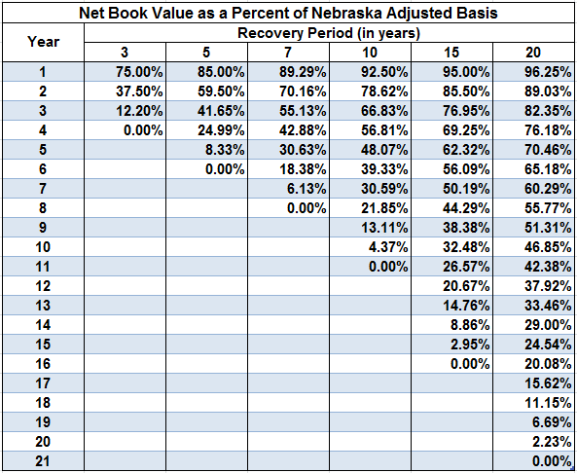

 | Net book value as a percent of Nebraska adjusted basis is calculated using the 150% declining balance method, switching to straight-line, with a one-half-year convention.

 | (2) The applicable recovery period for any item will be determined as follows:
 | > | 3-year property includes property with a class life of 4 years or less;
 | > | 5-year property includes property with a class life between 4 years and less than 10 years;
 | > | 7-year property includes property with a class life between 10 years and less than 16 years;
 | > | 10-year property includes property with a class life between 16 years and less than 20 years;
 | > | 15-year property includes property with a class life between 20 years and less than 25 years; and
 | > | 20-year property includes property with a class life of 25 years or more.
 | (3) Class life is based upon the anticipated useful life of a class of property and will be determined by the Property Tax Administrator under the Internal Revenue Code. (4) One-half-year convention treats all property placed in service during any tax year as placed in service on the midpoint of that tax year. (5) The percent shown for year one is the percent used for January 1 of the year following the year the property is placed in service.

 | Year Placed in Service. Is the date the property is ready and available for a specific use. For property transferred as a gift or devise or as part of a transaction which is not a purchase, the date placed in service is the date the previous owner placed the property in service. For tangible personal property acquired as replacement property for converted tangible personal property is the date the converted property was placed in service, unless insurance proceeds are payable by reason of the conversion. If insurance proceeds are payable by reason of the conversion, the date placed in service is the date the replacement property is placed in service.

 | Operating Property. As defined by Neb. Rev. Stat. § 77-801.01, operating property means property owned or leased that contributes to a public service entity's function.

 | Nonoperating Property. As defined by Neb. Rev. Stat. § 77-801.01, nonoperating property means property owned or leased by a public service entity that does not contribute to the entity's function.

Listing of Schedules

 | Schedules that Pertain to All Public Service Entities

 |  |  | Schedule | Title
 |  |  | Form 43 | Nebraska Public Service Entity Report
 |  |  | Sch A | General Information
 |  |  | Sch 1A | Total Plant Allocation By State
 |  |  | Sch 2 | Supplemental Information
 |  |  | Sch 5 | Lease Information
 |  |  | Sch 7 | Parent Financial Information
 |  |  | Sch 99 | Distribution/Subdivision Apportionment
 |  |  | Sch 99A | Distribution/Subdivision Apportionment
 |  |  | Sch 99B | Distribution/Subdivision Apportionment

 | Schedules that are Industry Specific

 | Fluid Pipelines |  |  |  | Gas Pipelines
 | Schedule | Title |  |  | Schedule | Title
 | Sch 1-FP | Allocation Factors |  |  | Sch 1-GP | Allocation Factors
 | Sch 11-FP | Comparative Balance Sheet |  |  | Sch 11-GP | Comparative Balance Sheet
 | Sch 12-FP | Plant In Service Detail |  |  | Sch 12-GP | Plant In Service Detail
 | Sch 13-FP | Comparative Income Statement |  |  | Sch 13-GP | Comparative Income Statement
 | Sch 14-FP | Detail Net Book Personal Property |  |  | Sch 14-GP | Detail Net Book Personal Property
 | Sch 17-FP | Noncarrier Plant Detail |  |  | Sch 17-GP | Nonutility Plant Detail
 | Sch 18-FP | Noncarrier Income Detail |  |  | Sch 18-GP | Nonutility Income Detail

 | Utilities |  |  |  | Telecommunications
 | Schedule | Title |  |  | Schedule | Title
 | Sch 1-U | Allocation Factors |  |  | Sch 1-T | Allocation Factors
 | Sch 11-U | Comparative Balance Sheet |  |  | Sch 11-T | Comparative Balance Sheet
 | Sch 11-Other | Comparative Balance Sheet |  |  | Sch 12-T | Telecommunication Plant in Service Detail
 | Sch 12-U | Plant In Service Detail |  |  | Sch 13-T | Comparative Income Statement
 | Sch 12-GP | Plant In Service Detail |  |  | Sch 14-T | Detail Net Book Personal Property
 | Sch 12-Other | Plant In Service Detail |  |  | Sch 17-T | Nonregulated Plant Detail
 | Sch 13-U | Comparative Income Statement |  |  | Sch 18-T | Nonregulated Income Detail
 | Sch 13-GP | Comparative Income Statement |  |  | Sch 19-T | Operating Comm. Tower Sites/Equipment
 | Sch 13-Other | Comparative Income Statement
 | Sch 14-U | Detail Net Book Personal Property
 | Sch 14-GP | Detail Net Book Personal Property
 | Sch 14-Other | Detail Net Book Personal Property
 | Sch 17-U | Nonutility Plant Detail
 | Sch 18-U | Nonutility Income Detail

Comments/Questions/Concerns:

Sch 99A Existing Filers
 |  | Form 43
 | Nebraska Schedule 99A - Distribution/Subdivision Apportionment
 |  | Tax Year
 | Instructions for Public Service Entities that filed Schedule 99 in Prior Years. | 2026

For public service entities that filed a Nebraska Form 43 in the prior assessment year, a Microsoft Excel file for Schedule 99 is provided and is the required format for completing Form 43, Schedule 99.

The file will display the prior year's gross investment and, if applicable, the prior year's annual rent paid. The electronic file contains empty or blank columns for reporting the current year's gross investment (INVESTMENT_CY) and, if applicable, the annual rent paid (RENTAL_CY) for leased operating property.

DO NOT alter the data in the columns labeled county number (CNTY), county fund number (CNTYFUND), prior year investment (INVESTMENT_PY), prior year rental (RENTAL_PY), code (CODE) number, or key (KEY) numbers assigned.

At the top of the spreadsheet just below the "NAME" heading, the company name will be displayed. This is the row where the public service entity will report the company's state total current-year investment and, if applicable, the state total annual rent paid in the columns INVESTMENT_CY and RENTAL_CY. Directly under the company name, the counties and taxing subdivisions that were applicable to the company in the prior year will be listed. The public service entity will report the current year's investment and, if applicable, the annual rent in the columns INVESTMENT_CY and RENTAL_CY for the individual counties and taxing subdivisions, based on the location of company's operating property.

For new county or taxing subdivision entries, the public service entity may insert rows as needed, ensuring that the format of new rows matches the rest of the spreadsheet. The public service entity must complete the columns for county number, name of county/taxing subdivision, county assessor's fund number or authority code (if available), the current year investment, current year rental, and company number. Leave the prior year investment, prior year rental, code number, and key number columns blank. Key numbers will be assigned by the Property Assessment Division.

For existing counties/taxing subdivisions for which the company no longer has property, report zero (-0-) for the current year's investment (INVESTMENT_CY) or rental (RENTAL_CY) as needed. Do not delete the rows if the property is no longer in the county/subdivision.

Example of the Schedule 99A Electronic Distribution File for companies that have filed in prior years:
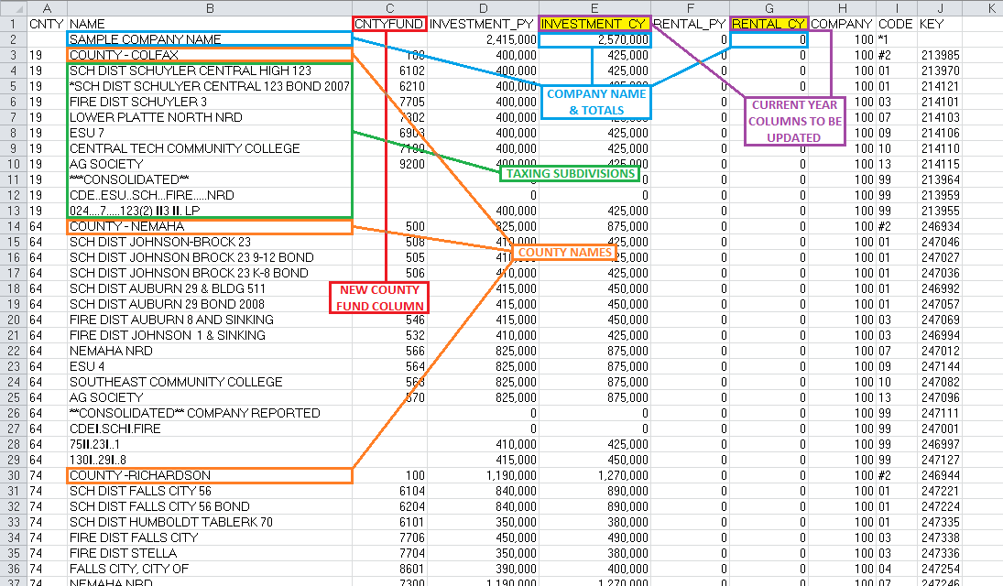

Certain counties rely on consolidated tax district information, however Nebraska law still requires the investment detail to be reported by individual taxing subdivision. The consolidated tax district (**CONSOLIDATED**) information is maintained in the distribution file along with the detail. For a county with a consolidated tax district, the public service entity will see extra lines for these and the entries will have a code of 99.

Information available on the Division's website:
County Assessor Contact Information
Taxing Subdivisions and Tax Rates by County
School District Reference List by County

For additional information on how to complete the distribution file see Schedule 99 General Instructions and/or Schedule 99B for new filers.
Please contact Tommy at tommy.a.nguyen@nebraska.gov (402-471-5865) or Kamisah O'Donnell at kamisah.odonnell@nebraska.gov
(402-595-1531), if you have any questions or need assistance.

Sch 99B New Filers
 |  |  | Form 43
 |  | Nebraska Schedule 99B - Distribution/Subdivision Apportionment
 |  |  | Tax Year
 |  | Instructions for New Public Service Entities, Filing Schedule 99 for the First Time. | 2026

For new public service entities that are filing a Nebraska Form 43 for the first time, a Microsoft Excel file for Schedule 99 must be created by the public service entity for reporting the original cost/gross investment and, if applicable, rent paid, which is used as the basis for the distribution or apportionment of taxable value to counties and taxing subdivisions.

The final information reported for Schedule 99 must match the following format and column headings, as seen in Example C.
> | CNTY = 2-digit county number assigned alphabetically, see Division's website for Nebraska county names and numbers.
> | NAME = Top row used for company name, remaining rows use for county name and names of the individual taxing subdivisions.
> | CNTYFUND = The county assessor's fund code or authority code assigned to the individual taxing subdivisions, if available.
> | INVESTMENT_CY = Report the original cost/gross investment of operating property owned, by county and by taxing subdivision.
> | RENTAL_CY = If applicable, report the annual rent paid for leased operating property, by county and by taxing subdivision.
> | COMPANY = 3-digit company number assigned by the Division.

The public service entity is responsible for determining which counties and taxing subdivisions they are to report on Schedule 99. The public service entity will need to determine the location of the owned or leased property within each county either by street address or legal description. The public service entity will then need to contact the respective county assessor to determine the consolidated tax district information based on the location of the property. Provide the street address or legal description of the property to the county assessor and then ask for the detail of the taxing subdivision in each tax district. The public service entity may ask for tax district maps, however, taxing subdivision information may not be included on the maps and the public service entity will need to ascertain the detail of taxing subdivisions within the tax district.

Once the county's tax district and taxing subdivision information is obtained, the public service entity needs to determine the gross investment and, if applicable, rent paid for each individual taxing subdivision based on the location of the operating property. Using the tax district information, the public service entity must then determine the total investment and/or rent for each individual taxing subdivision with the tax district.

It is recommended the company set up a worksheet similar to Example A, following. On the left side of Example A, there are columns for County number (CNTY), County name (CNTYNAME), Tax district (TAXDIST), Investment (INVEST), and Rent (RENT). On the right side, there are columns for County number (CNTY), Name of the taxing subdivision (NAME), County fund number (CNTYFUND), Current year investment (INVESTMENT_CY), Current year rent (RENTAL_CY), and the Company number (COMPANY). In Example A, the sample company has investment in two separate tax districts (85 and 90) in Jefferson County. Note, if the public service entity has leased operating property, the amount of annual rent paid must be reported in column Rental_CY. For this example, rent paid is zero (-0-). Using the information received from the county assessor, the individual taxing subdivisions have been listed for each tax district and separated by a blank row. The next step is to list the investment and rent of each taxing subdivision within the tax district.

The public service entity will need to merge the investment/rental data for taxing subdivisions that are listed separately under each tax district, ensuring that duplicate names within the county are combined as one entry and summing together the investment and rental for the taxing subdivision. In Example A, notice that there are two "COUNTY JEFFERSON" entries (one for each tax district); in Example B, there is only one "COUNTY JEFFERSON" and the investment and rent totals of both tax district's for "COUNTY JEFFERSON" have been summed together into one entry for that taxing subdivision.

Once the data is merged to display by county and by taxing subdivision, the public service entity will copy each county's merged information into one spreadsheet, as shown in Example C, following. The company name must be the first row entry under the "NAME" heading with the company's total investment and rent paid listed under the "INVESTMENT_CY" and "RENTAL_CY". This will be the Excel file that the public service entity submits as Schedule 99, as part of their filing of the Nebraska Form 43 to the Division.

Note: Certain counties rely on consolidated tax district information, however Nebraska law still requires the investment detail to be reported by individual taxing subdivision. The consolidated tax district (**CONSOLIDATED**) information is maintained in the distribution file along with the detail. For a county with a consolidated tax district, the public service entity will see extra lines for these and the entries will have a code of 99.

Before filing, the public service entity must balance and reconcile the gross investment and rental amounts as follows:
1) The sum of investment and rental for all counties must equal the company's total investment and rental.
2) The sum of investment and rental for school districts within the county, excluding bonds, must equal the county's total investment and rental.
3) The sum of investment and rental for educational service units (ESU) within the county must equal the county's total investment and rental. In addition, the ESU investment and rental must equal the sum of school districts that are members with the ESU.

4) The sum of investment and rental for natural resource districts within the county must equal the county's total investment and rental.
5) The sum of investment and rental for community colleges within the county must equal the county's total investment and rental.
6) The sum of investment and rental for cities and fire districts within the county must equal the county's total investment and rental, except where a fire district's territory may also include the city/village. In that situation, the sum of all cities and fire districts within the county will be higher than the county total investment and rental by the amount of the city/village's investment and rental.

7) Certain taxing subdivisions may coincide with another subdivision's boundary for balancing. For example, an agricultural society would be the same as the county total investment and rental; and the city airport authority would match with the city's investment and rental. School bonds may match with the school district, unless there have been mergers and the former school district's bond was attached to a smaller territory. A school district's bond should not be greater than the school district. Occasionally, there may be old school bonds, but the original school district since dissolved/merged.

8) The sum of investment and rental for consolidated tax districts within the county, if reported, must equal the county's total investment and rental.

Example A. How to identify taxing subdivisions within each tax district and determine investment and rent.
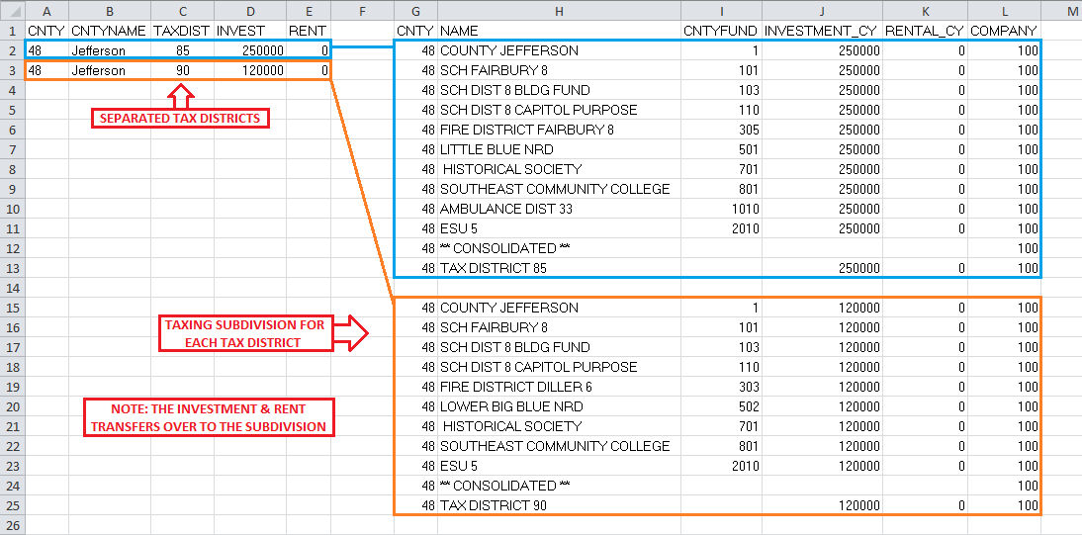

Example B. What Example A would look like after merging data for individual taxing subdivisions from tax districts.
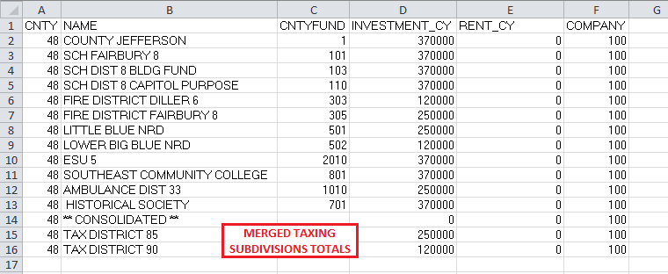

Example C. What the final electronic Schedule 99 should look like for submitting to the Division.
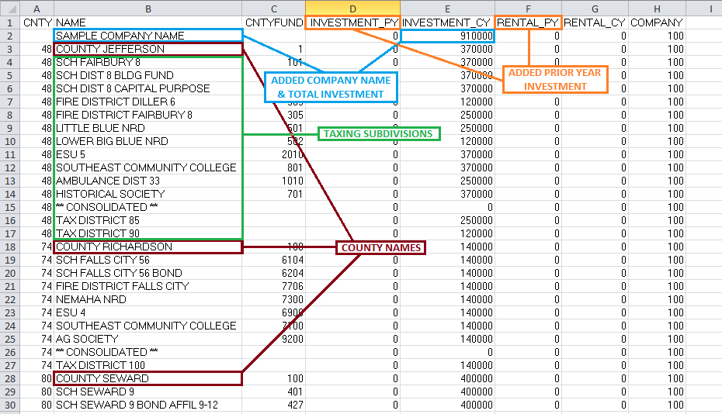

Information available on the Division's website:
County Assessor Contact Information
Taxing Subdivisions and Tax Rates by County
School District Reference List by County

For additional information on how to complete the distribution file, see Schedule 99 - General Instructions and/or Schedule 99A for existing filers.
Please contact Tommy at tommy.a.nguyen@nebraska.gov (402-471-5865) or Kamisah O'Donnell at kamisah.odonnell@nebraska.gov
(402-595-1531), if you have any questions or need assistance.

